START HERE - Expense Log
INSTRUCTIONS:
(1) Record Expenses or Income and select the appropriate Category from the drop down menu (column F).
- If you want a more detailed Expense Report, you must also select a Sub-Category (column G).
- When in doubt, select the last category, Ask CPA, from the drop down menu.
- For a description of each expense category, click on the purple tab, Deduction Reference.
(2) When finished, click the blue tab "Summary for CPA". Print or Email the report to your CPA.
Expense Log: *Highlighted columns are required (columns C, D, and F).
Date | Card/ Chk | Payee or Description * | Amount * | My Notes | Income/Expense Category * | Expense Sub-Category
 |  | INCOME - 1099 | $- | See Form 1099-NEC from Broker | INCOME | Commission Income
 |  | Advertising: Client Events | $- | Ex: Host a Christmas themed event | Advertising | Client Events
 |  | Advertising: Lead Generation | $- | Ex: Zillow, BoomTown, Market Leader | Advertising | Lead Generation
 |  | Advertising: Marketing | $- | Ex: logo materials and marketing supplies | Advertising | Marketing & Promo Items
 |  | Advertising: Online | $- | Ex: Facbook, Realtor.com | Advertising | Online Advertising
 |  | Advertising: Signage | $- |  | Advertising | Signage
 |  | Advertising: Website | $- | Ex: GoDaddy, Web Desiger, etc. | Advertising | Website
 |  | Contract Labor - W9 | $- | Ex: Assistant, Appraiser, etc | Contract_Labor
 |  | Insurance: Error & Omission | $- |  | Insurance | E&O Insurance
 |  | Interest: Annual Car Loan | $- | Reduced by the business use percentage | Interest | Other Interest
 |  | Business Coaching | $- |  | Legal_and_Professional | Legal and Professional
 |  | Legal / Accounting Fees | $- | Ex: CPA tax prep fee. | Legal_and_Professional | Legal and Professional
 |  | Meals | $- | Ex: Take prpsepctive client to dinner | Meals | Meals
 |  | Broker Fees | $- |  | Office_Expense | Broker Fees
 |  | Cell Phone | $- | A portion of your cell phone plan is deductible. | Office_Expense | Cell Phone
 |  | Internet | $- | A portion of your home internet plan is deductible. | Office_Expense | Internet
 |  | Postage and Shipping | $- |  | Office_Expense | Postage and Shipping
 |  | Apps | $- | Ex: Mile IQ | Office_Expense | Software, Apps, & Subscriptions
 |  | Online Subscriptions | $- | Ex: iCloud storage | Office_Expense | Software, Apps, & Subscriptions
 |  | Software | $- | Ex: Microsoft, Anti-Virsus | Office_Expense | Software, Apps, & Subscriptions
 |  | Bank Charges | $- | Ex: Late payment credit card fee | Other_Expenses | Bank Charges
 |  | Client Gifts | $- | Ex: $25 gift card to Target | Other_Expenses | Client Gifts
 |  | Education & Continuing Ed (CE) | $- | Ex: Social media class, real estate investing class | Other_Expenses | Education (CE)
 |  | Equipment | $- | Ex: Laptop, iPhone, camera (items that are $2500 or less). Depreciation may apply. Consult CPA!! | Other_Expenses | Equipment de minimis
 |  | Keys and Lockbox | $- | Ex: Supra | Other_Expenses | Keys and Lockbox
 |  | Listing Expense | $- | Ex: Photographer (although this could also be accounted for as "Contract Labor") | Other_Expenses | Listing & Selling Expenses
 |  | Selling Expense | $- | Ex: Purchase home warranty for client to get deal to close. | Other_Expenses | Listing & Selling Expenses
 |  | Staging Expense | $- | Ex: Stage entry with decorative front door wreath. | Other_Expenses | Listing & Selling Expenses
 |  | Photographer/Videographer | $- |  | Other_Expenses | Photography/Videography
 |  | HAAR | $- | Ex: HAAR Annual dues ($591/year) | Other_Expenses | Professional Dues
 |  | MLS | $- | $150/Q1 | Other_Expenses | Professional Dues
 |  | MLS | $- | $150/Q2 | Other_Expenses | Professional Dues
 |  | MLS | $- | $150/Q3 | Other_Expenses | Professional Dues
 |  | MLS | $- | $150/Q4 | Other_Expenses | Professional Dues
 |  | Rent | $- | Ex: Rent office space at broker office | Rent | Rent Other
 |  | Repair & Maintenance | $- | Ex: Geek Sqaud to repair laptop | Repairs_and_Maintenance | Repairs and Maintenance
 |  | Supplies | $- | Ex: Toner, chargers, laptop bag, phone case | Supplies | Job Supplies
 |  | Taxes & Licenses | $- | Ex: Fee to renew license | Taxes_and_Licenses | Business License and Permits
 |  | Travel | $- | Ex: Airfair and hotel at conference | Travel | Travel

Summary for CPA
NOTICE:
This report is automatically generated when you complete the tab labeled, Expense Log.
Print or Email this summary or workbook to your CPA!
- If you want a more detailed Expense Report, you must also select a Sub-Category (column G) when completing your Expense Log.
ADVERTISING, Line 8 | $- |  | COMMISSIONS & FEES, Line 10 | $-
Marketing & Promo | $-
Online Advertising | $- |  | UTILITIES, Line 25 (not your home) | $-
Lead Generation | $-
Signage | $- |  | EMPLOYEE BENEFITS, Line 14 | $-
Website | $-
Client Events | $- |  | WAGES PAID, Line 26 | $-

CAR & TRUCK, Line 9 | $- |  | DEPRECIATION, Line 13 | $-
(see mileage if taking the standard) |  |  | (Consult CPA on best depreciation method)
CONTRACT LABOR, Line 11 | $- |  | PENSION & PROFIT SHARING, Line 19 | $-

INSURANCE, Line 15 | $- |  | ASK MY CPA | $-

Excerpt from "Schedule C"
INTEREST, Line 16 | $- |  | MILEAGE, Line 9
Other Interest (ex: car loan) | $- |  | Business Miles | -
Mortgage (business property) | $- |  | Commuting Miles | -
 |  |  | Personal Miles | -
LEGAL & PROFESSIONAL, Line 17 | $- |  | Total Miles | -
 |  |  | Mileage Deduction ($0.725 / mile in 2026) | $-
OFFICE EXPENSE, Line 18 | $- |  | Business Miles Percentage | #DIV/0!
Software, Apps, & Subscriptions | $-
Cell Phone | $- |  | HOME OFFICE
Broker Fees | $- |  | Home Office Square Footage | -
Internet | $- |  | Total Square Footage of Home | -
Postage and Shipping | $- |  | Simplified Deduction | $-
Other Expenses | $-
 |  |  | Self Employed Health Insurance (premiums) | $-
RENT, Line 20 | $-
Vehicle & Machine | $- |  | Profit & Loss Summary:
Other Business Property (ex: office space) | $- |  | Commission Income: | $-
 |  |  | Less: Business Expenses | $-
REPAIRS & MAINTENANCE, Line 21 | $- |  | Less: Home Office | $-
 |  |  | Less: Std Mileage Deduction | $-
SUPPLIES, Line 22 | $- |  | Profit (Loss) | $-

TAXES & LICENSES, Line 23 (RE License) | $- |  |  | Amount:
 |  |  | FEDERAL: Quarter 1 (Apr 15) | $-
TRAVEL, Line 24a | $- |  | FEDERAL: Quarter 2 (Jun 15) | $-
 |  |  | FEDERAL: Quarter 3 (Sept 15) | $-
MEALS, Line 24b | $- |  | FEDERAL: Quarter 4 (Jan 15) | $-
Meals (*reduce by 50%, per IRS) | $- |  | Fed Total | $-
 |  |  | STATE: Quarter 1 (Apr 15) | $-
OTHER EXPENSES, Line 27/48 | $- |  | STATE: Quarter 2 (Jun 15) | $-
Bank Charges | $- |  | STATE: Quarter 3 (Sept 15) | $-
Client Gifts | $- |  | STATE: Quarter 4 (Jan 15) | $-
Professional Dues (Ex: NAR, HAAR) | $- |  | State Total | $-
Education (Ex: CE) | $- | Tips from CPA: | * Always investigate and resolve any disparity between Form 1099 and actual commission DEPOSITED. * Employer equivalent portion of self-employment (SE) tax is deductible when calculating adjusted gross income. * Some states (ex: AL) allow current-year deduction for prior-year federal SE tax paid. (often missed by DIY tax software)
Keys and Lockbox (Ex: Supra) | $-
Listing, Selling, & Staging Expenses | $-
Photography/Videogrpahy | $-
Equipment, de minimis | $-
(consult CPA regarding depreciation on equipment)

Deductions Reference
5 pages
Realtor's Comprehensive Deduction Checklist
Expense Category | Subcategory | Description/Auditor Tips | Sch. C Line Item
COMMON EXPENSES
ADVERTISING | Marketing | Marketing materials: such as business cards, flyers, brochures, postcards, direct mail, posters, videos, CDs, DVDs. Promotional Items & Imprinted Small Gifts: Such items are considered promo items (such as magnets, pens, key chains) and are therefore not subject to the $25 per year, per recipient Client Gift rule. Warning: Non-imprinted client gifts (reported on line 27) are subject to the $25 limitation. Print Advertising: Print Ads such as Newspaper, Magazine, business directory, mailiers, direct mail, etc.… Networking: Networking events like professional luncheons. Sponsorship: If you receive advertising benefit from your sponsorship (Ex: ad in athletic program), then you may deduct the cost as advertising. Tip: Be careful, because donating to a charitable cause is deductible on your personal return as an itemized deduction, which is not as valuable as a business deduction. Therefore, from a tax standpoint, it's more valuable to give when you receive advertising benefit. Logo Clothing: Make sure the clothing prominently and clearly advertises your profession. | 8
 | Online Advertising | Online Platforms: Realtor.com, Trulia, Zillow, Facebook, Google, etc. Online Advertising: banner ads, ads in e-magazines or e-newsletters, ads run on another website, fees paid for listings on search engines. | 8
 | Lead Generation | Lead Generation /Ad Agency Fees: As part of an overall marketing strategy, some Realtors will subscribe to lead generation services or an advertising agency to develop an ad campaign. Ex: BoldLead, BoomTown, CRM Software | 8
 | Signage | Also includes magnetic/painted vehicle signs, outdoor directional signs, and indoor/outdoor banners, billboards, business cards. (Ex: "Coming Soon") | 8
 | Website | Fees paid to design, update, and host a website for your business. Also includes expenses for tracking hits and generating traffic reports. (Ex: GoDaddy) | 8
 | Client Events | Appreciation/Networking Events: Ex: Hosting a catered event where you invite clients and potential clients to show your appreciation and drum up new business. (decorations, music, etc) Tip: This is advertising expense rather than "Meals" expense, thus making the deduction more valuable to you since the IRs reduces "Meals" deduction by 50%. | 8
CONTRACT LABOR | Contract Labor CLICK HERE for more info on 1099s | Includes payments to persons you do not treat as employees. Does not include contract labor included elsewhere (like legal/professional fees). Assistant, Photographer, Professional Stager, Handyman, etc. You could otherwise include these under "Other Expenses: Listing Expenses" Ex: You pay to have listings professionally staged, cleaned, or photographed. Ex: Virtual Assistant Warning: You MUST file Form 1099-NEC for any contractor paid $600 or more to during the tax year. Form 1099-NEC must be filed with the Fed, State, and contractor by January 31st to avoid penalties. Warning: The IRS has strict rules about what constitutes a contractor (Form 1099) versus an employee (payroll, Form W-2). Consult your CPA. | 11
DEPRECIATION | Depreciation $2,500 de minimis Treasury Regulation § 1.263(a)-1(f)(1)(ii) | Certain equipment purchases are considered an investment and must be depreciated (meaning, you get to deduct the cost over "x" number of years. Line 13 actually reflects the annual deduction allowed to recover the cost of business or investment property that has a useful life substantially beyond the tax year. Ex: Laptop, camera, Desk, GPS, cell phone device, printers, furniture, vehicles, etc. NEW Tip: The new tax bill (passed December 2017) greatly expanded Section 179 and bonus depreciation, meaning much of these expenses can be deducted entirely in the tax year purchased. VERY exciting new for business owners. Rely on your CPA for this determination. $2,500 de minimis Treasury Regulation § 1.263(a)-1(f)(1)(ii). NEW Tip: See Other Expenses: Equipment, de minimis | 13
INSURANCE | Business Insurance (other) | Ex: Such as an umbrella policy. Tip: BEFORE you form an LLC, talk with your CPA, attorney, and insurance agent about the liability-limiting benefits that insurance can provide. | 15
 | E&O Insurance | Error and Omission Insurance: Premiums paid for business insurance | 15
INTEREST | Mortgage | Interest you paid related to a mortgage on real property (not on your residential home) used in your business. Tip: When you pay mortgage interest during the year, you generally receive a Form 1098 from the lender. Rarely Applies: Rarely applies to Realtors since most of you work from home or rent office space from your broker. | 16a
 | Other Interest | Ex: Business lines of credit, credit card interest (from business credit card only), interest from home equity lines of credit, auto interest. Tip: A portion of the interest paid on your car loan is deductible. Rely on your CPA for this calculation. Many tax preparers forget this deduction! | 16b
OFFICE EXPENSE | Software, Apps, & Subscriptions | Software: CRM Software, Microsoft Office, Adobe Productivity Apps: MilesIQ, EverNote Subscriptions: DotLoop, Canva Online Storage Fees: Cloud, DropBox | 18
 | Telephone (cell) | Mobile phone service charges (i.e. The business portion of your cell phone bill is deductible. Tip: Speak with your CPA about recognizing some portion of your cell phone as personal use. | 18
 | Broker Fees | Ex: Monthly administrative fees payable to your broker. (Desk Rent, Administrative Fees, etc.) Tip: Sometimes E&O insurance is barried in broker fees; ideally you should report this on line 15 of Sch C. | 18
 | Internet | Fees for internet use. Tip: Speak to your CPA about deducting some portion of your home internet as a business expense. | 18
 | Other Expenses | Other office expenses that fit no other category. Warranty: Apple Care on iPhone or Geek Squad protection on business laptop | 18
SUPPLIES | Office Supplies | Office Supplies: Pens, scissors, paperclips, toner/ink cartridges, staplers. Accessories: desk calendars, wallboards, drawer organizer, briefcase/computer bag Small Job Supplies: Extension cords, chargers, Laptop bag, phone case Tip: Many business owners overlook these seemingly insignificant expenses. That’s a mistake. Every dollar you can deduct on this line will reduce your taxes. | 22
TRAVEL | Travel | Ex: Lodging, airfare, taxi, rental car, tips for baggage, dry cleaning, Internet connection fee, etc. Tip: You may deduct 100% of travel expenses relating to legitimate business. The expense must have been (1) while traveling overnight, away from your home; (2) ordinary and necessary; (3) reasonable; and (4) incurred for your existing business (not a start-up). Tip: Deduct only those expenses that relate to legitimate business and keep detailed documentation. Also, consult your CPA on the tax-wise way to legally combine business with pleasure travel. | 24a
MEALS | Meals | NEW TIP: Beginning Jan 1, 2018, Entertainment is no longer deductible due to the Tax Cuts and Jobs Act (passed Dec. 22, 2017) Meals: (1) meals when you conduct business with a client or associate (2) meals when you dine alone while you're traveling overnight on business. Fact: You must reduce your legitimate business meals and entertainment by 50%. Tip: If audited, the IRS will disallow any deductions you took while dining alone locally, even if you were conducting business (which may result in penalties and interest charges). The proof is in the fact that your meal receipt contains only one meal item. | 24b
OTHER EXPENSES | Bank Charges | Bank and Credit Card Fees such as service charges, ATM use, overdraft fees, annual fees, late payment fees | 27
 | Client Gifts IRS Publication 463 | Tip: Gift expenses are limited to $25 per year, per recipient. To clear up confusion, the IRS released Publication 463 in 2015. | 27
 | Professional Dues | Professional organizations, real estate boards, business leagues. Ex: MLS (Multiple Listing Service), National Association of Realtors, Local Board/Assoc. of Realtors, Chamber of Commerce Tip: You may instead include such fees under "Legal & Professional" | 27
 | Education | Ex: Continuing education classes, business-related seminars, workshops, conferences, and business books (Ex: "Social Media Marketing for Dummies") | 27
 | Keys and Lockbox | Keys, Lockboxes, locksmith (Ex: SupraKey, EKey) | 27
 | Listing, Selling & Staging Expenses | Any expense related to ultimately close a real estate deal that you personally incurred (i.e. paid out of pocket, not reimbursed). Listing, Staging, Open house, Concessions, Appraisal or Inspection, Home Warranty, Notary fees, repairs or maintenance. Tip: Some selling expenses are necessary to make a deal successful but may also result in the client perceiving this expense as a gift. Ex: To get a deal to close, you paid for lawncare on a listing for which the homeowner never reimbursed you. Ex: You stage a listing's entry with a lovely front door wreath to welcome prospective buyers. | 27
 | Equipment, de minimis | Ex: Laptop, camera, Desk, GPS, cell phone device, printers, furniture, vehicles, etc. **Certain equipment purchases are considered an investment and must be depreciated. NEW Tip: The new tax bill (passed December 2017) greatly expanded Section 179 and bonus depreciation, meaning much of these expenses can be deducted entirely in the tax year purchased. VERY exciting new for business owners. Rely on your CPA for this determination. See also $2,500 de minimis Treasury Regulation § 1.263(a)-1(f)(1)(ii). | 27
Home Office Form 8829 | Home Office | There are two methods for deducting your home office IF you qualify: (1) Simplified/Standard OR (2) Actual. The choice depends on more than just which option nets the bigger deduction. Tip: We often recommend that realtors take the Standard because it is the simplest yet still valuable. Consult your CPA on how renting office space may affect your Home Office deduction and business/commuting mileage. It is possible to claim both desk rent fees AND Home Office Deduction. | Form 8829
UNCOMMON EXPENSES
CAR & TRUCK | You have only two options with respect to car expenses: (1) Actual expenses OR (2) Standard. Regardless of the method you choose, you are REQUIRED to keep a mileage log. Assuming you take the Standard Deduction, you do not need to track actual car expenses such as gas and auto repairs.
 | Gas | Rarely Applies: For RE Agents, it is almost always in your best interest to take the Standard Deduction ($0.70 per mile in 2025) rather than Actual Expenses. Tip: Focus on keeping an accurate mileage log since an auditor will be suspicious of your mileage deduction. | 9
 | Other Auto Expenses | Ex: Insurance, maintenance & repairs, interest, tires, license and registration, depreciation or lease expense, parking fees, toll fees. Rarely Applies: Since most agents take the Standard, it is unnecessary to track these actual auto expenses. | 9
COMMISSIONS & FEES | Commissions Paid | Rarely Applies unless you are the Broker/Owner. This is because split commissions are taken out of your gross commission BEFORE your net commission check is issued to you. TIP: Always compare your Form 1099 with your annual commission stmt from your broker. | 10
EMPLOYEE BENEFITS | Employee Benefits | Ex: Includes accident and health plans, group term life insurance, and dependent care assistance programs. Rarely Applies: This rarely applies to Realtors filing a Sch C | 14
LEGAL & PROFESSIONAL | Legal and Professional | Legal, accounting, bookkeeping, virtual assistant, Business Coaching Ex: At least a portion of your tax preparation fee charged by your CPA | 17
PENSION/ PROFIT SHARE | Pension & Profit Sharing | Rarely Applies: Includes contributions you made on behalf of your employees to certain retirement plans. Ex. Matching contributions to 401(k) plans | 19
RENT | Vehicle & Machine | Any amounts paid for the rental or lease of a vehicle, machinery, or equipment. (such as computer or copier) | 20a
 | Rent Other | Amount paid for rent or lease of other property such as office space in a building. TIP: Realtors may include the fees associated with renting an office at their brokerage. Lastly, consult your CPA on how renting office space may affect your Home Office deduction and business/commuting mileage. It is possible to claim both desk rent fees AND Home Office Deduction. | 20b
REPAIRS & MAINTENANCE | Repairs & Maintenance | Associated with business equipment, office space, and other property. Includes labor, supplies, and other items that do not add to the value of the property or increase the life of the property. EX: Laptop Repair TIP: There is a difference between a repair and an improvement. Unlike repairs and maintenance, an improvement adds value to the property and is considered a capital expense that must be depreciated and reported on Line 13. Depend on your CPA for reporting improvements. | 21
TAXES & LICENSES | Employment Taxes | Rarely Applies: Rarely applies since most realtors are contractors receiving a 1099. Includes your share of Social Security and Medicare taxes, federal unemployment taxes (FUTA) and state unemployment taxes (SUI). Also, payments to a state unemployment fund or state disability benefit fund. | 23
 | Business License & Permits | Includes licenses and regulatory fees for the trade or business paid each year to state or local governments. Ex: Real Estate License renewal fee, Fingerprinting Fee | 23
 | Real Estate & Property Tax | Personal property tax paid on business assets (ex: furniture, fixtures, office equip) Real estate taxes paid in buildings, land, other personal property. Rarely Applies: Rarely applies since most realtors work from home and/or their broker's office. | 23
UTILITIES | Utilities | Ex: Electricity, gas, water, sewage, landfill for your business (NOT your home). Rarely Applies: You may not deduct utilities for your home office (Instead, you may deduct the portion of utilities used for your home office on Form 8829, line 20). Further, most realtors work from home and/or their broker's office. | 25
WAGES PAID | Wages Paid | Includes wages you paid to your employees (salaries, commissions, and bonuses). Rarely Applies: This does not include wages you paid yourself. And since most realtors hire a "contractor" (and issue a Form 1099) rather than an employee, this category rarely applies to realtors. | 26

Mileage
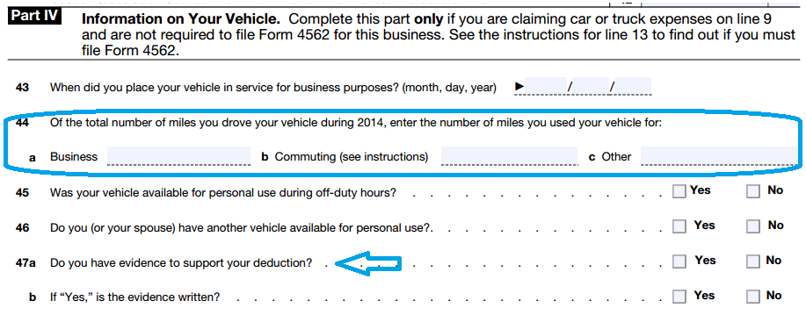
Mileage:
Business Miles: | 0
Personal Miles: | 0
Commuting Miles: * | 0
Total Miles: | 0

Mileage Rate: | $0.70 | Tax Year 2025
Mileage Deduction:

Noteworthy: - The IRS requires a "daily, contemporaeous mileage log" regardless of the mileage deduction method you use (Standard vs. Actual). - Commuting mileage* is often not applicable to Realtors since Realtors operate from their (claiming the home office deduction). Therefore, mileage to and from the Realtor's broker office is not commuting, but rather deductible business mileage.
IRS Mileage Log Example:
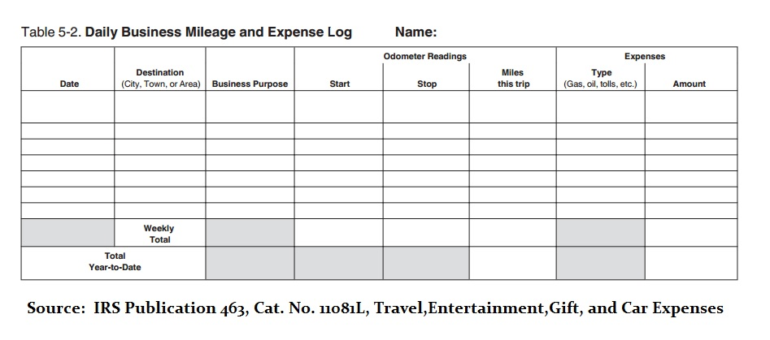
Form 1040 Tax Return, Schedule C Excerpt

Estimated Tax - Easy
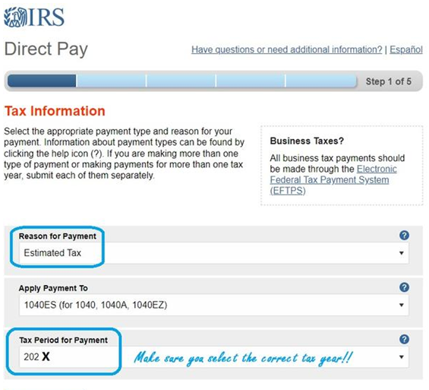
Quarterly Estimated Tax Payments |  |  |  |  |  | Click Here to Pay FEDERAL Estimated Tax
 |  | QUARTER 1 | QUARTER 2 | QUARTER 3 | QUARTER 4
 | For Income Earned: | Jan-March | April - May | June - August | Sept-Dec.
In the blue box, record your commission income for the quarter.
 | Due Date: | April 15th | June 15th | Sept 15th | Jan 15th

 | Total Commission Income: | $- | $- | $- | $-

yellow box: This model estimates business expenses represent ~20% Total Income.
 |  | Easy Method | Easy Method | Easy Method | Easy Method
 | Business Expenses % (*estimated) | 20.0% | 20.0% | 20.0% | 20.0%

 | Total Commission Income | $- | $- | $- | $-
 | Less: Business Expenses | $- | $- | $- | $-
 | Profit | $- | $- | $- | $-
green box: This model assumes a minimum Federal Tax Rate of 12%. Consult CPA for your specific tax rate.
 | State Tax Rate ** | 5% | 5% | 5% | 5%
 | Social Security and Medicare | 15% | 15% | 15% | 15%
 | Federal Tax Rate (***estimated) | 12% | 12% | 12% | 12%

 | Vouchers:
 | Federal Tax Owed: | $- | $- | $- | $-
 | State Tax Owed: | $- | $- | $- | $-
 | Total Tax Owed: | $- | $- | $- | $-
These are your estimated Tax Figures
To more accurately calculate your estimated tax,
utilize the "Customize" tab.

* This model estimates that business expenses represent ~20% Total Income. For a more tailored estimation, consult your CPA.
** This model assumes a flat state tax rate of 5%. Use 5% if you are an Alabama resident.
*** This model assumes a minimum Federal Tax Rate of 12%. Consult your CPA for your specific federal tax rate.
NEW 2025!!!!!
Due to the Tax Cuts & Jobs Act (2017, renewed 2025), calculating your Quarterly Estimated Tax Payments has become even more challenging. If you are a small business owner, you now potentially qualify for a 20% flow through deduction (QBI Deduction). To be safe, this calculator assumes NO QBI Deduction.

Estimated Tax - Customize
Quarterly Estimated Tax Payments |  |  |  |  |  | Click Here to Pay FEDERAL Estimated Tax
 |  | QUARTER 1 | QUARTER 2 | QUARTER 3 | QUARTER 4
 | For Income Earned: | Jan-March | April - May | June - August | Sept-Dec.
In the blue box, record your commission income for the quarter.
 | Due Date: | April 15th | June 15th | Sept 15th | Jan 15th

 | Total Commission Income: | $- | $- | $- | $-

 |  | Customized Method | Customized Method | Customized Method | Customized Method
In the yellow box, estimate your business expenses for the quarter.
 | Total Commission Income | $- | $- | $- | $-
 | Less: Business Expenses | $- | $- | $- | $-
 | Profit | $- | $- | $- | $-

In the green box, record your federal income tax rate.
(type: 12%. 22%, 24%, etc...)
 | State Tax Rate ** | 5% | 5% | 5% | 5%
 | Social Security and Medicare | 15% | 15% | 15% | 15%
 | Federal Tax Rate (***estimated) | 18% | 18% | 18% | 18%

 | Vouchers:
 | Federal Tax Owed: | $- | $- | $- | $-
 | State Tax Owed: | $- | $- | $- | $-
 | Total Tax Owed: | $- | $- | $- | $-
These are your estimated tax figures.
To more easily calculate your estimated tax, utilize the "Easy" tab.

* For a more tailored estimation, consult your CPA.
** This model assumes a flat state tax rate of 5%. Use 5% if you are an Alabama resident.
*** At minimum, you can assume at least a 12% Federal Tax Rate. Consult your CPA for your specific federal tax rate.
NEW 2025!!!!!
Due to the Tax Cuts & Jobs Act (2017, renewed 2025), calculating your Quarterly Estimated Tax Payments has become even more challenging. If you are a small business owner, you now potentially qualify for a 20% flow through deduction (QBI Deduction). To be safe, this calculator assumes NO QBI Deduction.

