Expense Log
INSTRUCTIONS:
(1) Record Expenses or Income and select the appropriate Category from the drop down menu (column F).
- If you want a more detailed Expense Report, you must also select a Sub-Category (column G).
- When in doubt, select the last category, Ask CPA, from the drop down menu.
- For a description of each expense category, click on the purple tab, Deduction Reference.
(2) When finished, click the blue tab "Summary for CPA". Print or Email the report to your CPA.
Expense Log: *Highlighted columns are required (columns C, D, and F).
Date | Card/ Chk | Payee or Description * | Amount * | My Notes | Income/Expense Category * | Expense Sub-Category
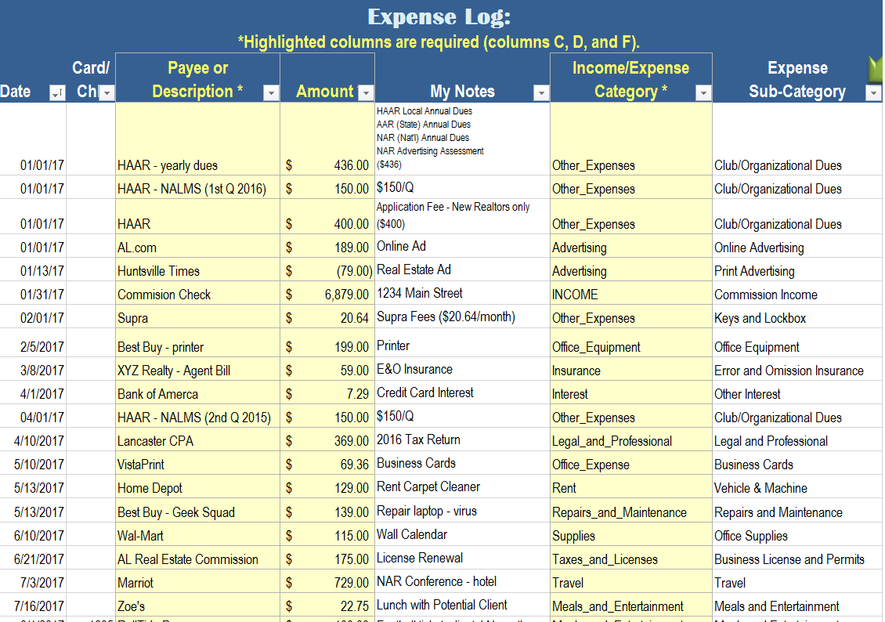
EXAMPLE

Summary for CPA
NOTICE:
This report is automatically generated when you complete the red tab labeled, Expense Log.
Print or Email it to your CPA!
- If you want a more detailed Expense Report, you must also select a Sub-Category (column G) when completing your Expense Log.
ADVERTISING, Line 8 | $- | TRAVEL, Line 24a | $-
Marketing | $-
Online Advertising | $- | MEALS & ENTERTAINMENT*, Line 24b | $-
Print Advertising | $- | Meals/Entertain (*reduce by 50%, per IRS) | $-
Signage | $-
Website | $- | UTILITIES, Line 25 (not your home) | $-
Other Advertising | $-
 |  | WAGES PAID, Line 26 | $-
CAR & TRUCK, Line 9 (see mileage section) | $-
 |  | OTHER EXPENSES, Line 27/48 | $-
COMMISSIONS & FEES, Line 10 | $- | Bank Charges | $-
 |  | Client Gifts | $-
Excerpt from "Schedule C"
CONTRACT LABOR, Line 11 | $- | Club/Organizational Dues | $-
 |  | Education (CE) | $-
OFFICE EQUIPMENT, Line 13 | $- | Keys and Lockbox | $-
 |  | Listing & Selling Expenses | $-
EMPLOYEE BENEFITS, Line 14 | $- | Miscellaneous | $-

INSURANCE, Line 15 | $- | MILEAGE, Line 9
Business Insurance (other) | $- | Business Miles | -
Error and Omission Insurance | $- | Commuting Miles | -
 |  | Personal Miles | -
INTEREST, Line 16 | $- | Total Miles | -
Other Interest | $- | Mileage Deduction ($0.54/mile) | $-
Mortgage | $- | Business Miles Percentage | #DIV/0!

LEGAL & PROFESSIONAL, Line 17 | $- | HOME OFFICE | -
 |  | Total Square Footage of Home | -
OFFICE EXPENSE, Line 18 | $- | Home Office Square Footage | -
Business Cards | $- | Home Office as % of Home | #DIV/0!
Cell Phone | $- | Simplified Deduction | $-
Broker Fees | $-
Internet | $- | QETP (Estimated Tax Payments) | Amount:
Postage and Shipping | $- | FEDERAL: Quarter 1 (Apr 15) | $-
Printing Costs | $- | FEDERAL: Quarter 2 (Jun 15) | $-
Other Expenses | $- | FEDERAL: Quarter 3 (Sept 15) | $-
 |  | FEDERAL: Quarter 4 (Jan 15) | $-
PENSION & PROFIT SHARING, Line 19 | $- | STATE: Quarter 1 (Apr 15) | $-
 |  | STATE: Quarter 2 (Jun 15) | $-
RENT, Line 20 | $- | STATE: Quarter 3 (Sept 15)
Vehicle & Machine (ex: copier) | $- | STATE: Quarter 4 (Jan 15) | $-
Other Business Property (ex: office space) | $-
 |  | Profit & Loss Summary:
REPAIRS & MAINTENANCE, Line 21 | $- | Commission Income: | $-
 |  | Business Expenses: | $-
SUPPLIES, Line 22 | $- | Net Income | $-

TAXES & LICENSES, Line 23 | $- | Profit (Loss) after Mileage | $-
Employment Taxes (SS, Medicare, FUTA) | $-
Business License and Permits (RE License) | $-

QETP - Customize
To more easily calculate your QETP, utilize the "QETP Easy" tab.
Quarterly Estimated Tax Payments |  |  |  |  |  | EXAMPLE
 |  | QUARTER 1 | QUARTER 2 | QUARTER 3 | QUARTER 4
 | For Income Earned: | Jan-March | April - May | June - August | Sept-Dec. | For Income Earned: | Jan-March
In the blue box, record your commission income for the quarter.
 | Due Date: | April 15th | June 15th | Sept 15th | Jan 15th | Due Date: | 2016-04-15

 | Total Commission Income: | $- | $- | $- | $- | Total Commission Income: | $100,000.00

 |  | Customized Method | Customized Method | Customized Method | Customized Method |  | Option 1: Pay Minimum | Option 2: Customize
In the yellow box, estimate your business expenses for the quarter.
 | Total Commission Income | $- | $- | $- | $- | Total Commission Income | $100,000.00 | $100,000.00
 | Less: Business Expenses | $- | $- | $- | $- | Less: Business Expenses | $20,000.00 | $33,000.00
 | Profit | $- | $- | $- | $- | Profit | $80,000.00 | $67,000.00

In the green box, record your federal income tax rate.
(type: 15%. 25%, or 28%)
 | State Tax Rate ** | 5% | 5% | 5% | 5% | State Tax Rate ** | 5% | 5%
 | Social Security and Medicare | 15% | 15% | 15% | 15% | Social Security and Medicare | 15% | 15%
 | Federal Tax Rate (***estimated) | 0% | 0% | 0% | 0% | Federal Tax Rate (***estimated) | 15% | 25%

 | Vouchers: |  |  |  |  | Vouchers:
 | Federal Tax Owed: | $- | $- | $- | $- | Federal Tax Owed: | $24,000.00 | $26,800.00
 | State Tax Owed: | $- | $- | $- | $- | State Tax Owed: | $4,000.00 | $3,350.00
 | Total Tax Owed: | $- | $- | $- | $- | Total Tax Owed: | $28,000.00 | $30,150.00
This is what you owe.

* This model estimates your QETP. For a more tailored estimation, consult your CPA.
** This model assumes a flat state tax rate of 5%. Use 5% if you are an Alabama resident.
*** This model assumes a minimum Federal Tax Rate of 15%. Consult your CPA for your specific federal tax rate.

QETP - Easy
To more accurately calculate your QWTP, utilize the "QETP Customize" tab.
Quarterly Estimated Tax Payments |  |  |  |  |  | EXAMPLE
 |  | QUARTER 1 | QUARTER 2 | QUARTER 3 | QUARTER 4
 | For Income Earned: | Jan-March | April - May | June - August | Sept-Dec. | For Income Earned: | Jan-March
In the blue box, record your commission income for the quarter.
 | Due Date: | April 15th | June 15th | Sept 15th | Jan 15th | Due Date: | 2016-04-15

 | Total Commission Income: | $- | $- | $- | $- | Total Commission Income: | $100,000.00

 |  | Easy Method | Easy Method | Easy Method | Easy Method |  | Option 1: Pay Minimum | Option 2: Customize
 | Business Expenses % (*estimated) | 20.0% | 20.0% | 20.0% | 20.0% | Business Expenses % (*estimated) | 20.0%
In the yellow box, estimate your business expenses for the quarter.
 | Total Commission Income | $- | $- | $- | $- | Total Commission Income | $100,000.00 | $100,000.00
 | Less: Business Expenses | $- | $- | $- | $- | Less: Business Expenses | $20,000.00 | $33,000.00
 | Profit | $- | $- | $- | $- | Profit | $80,000.00 | $67,000.00

In the green box, record your federal income tax rate.
 | State Tax Rate ** | 5% | 5% | 5% | 5% | State Tax Rate ** | 5% | 5%
 | Social Security and Medicare | 15% | 15% | 15% | 15% | Social Security and Medicare | 15% | 15%
 | Federal Tax Rate (***estimated) | 15% | 15% | 15% | 15% | Federal Tax Rate (***estimated) | 15% | 25%

 | Vouchers: |  |  |  |  | Vouchers:
 | Federal Tax Owed: | $- | $- | $- | $- | Federal Tax Owed: | $24,000.00 | $26,800.00
 | State Tax Owed: | $- | $- | $- | $- | State Tax Owed: | $4,000.00 | $3,350.00
 | Total Tax Owed: | $- | $- | $- | $- | Total Tax Owed: | $28,000.00 | $30,150.00
This is what you owe.

* This model estimates (conservatively) that business expenses represent ~20% Total Income. For a more tailored estimation, consult your CPA.
** This model assumes a flat state tax rate of 5%. Use 5% if you are an Alabama resident.
*** This model assumes a minimum Federal Tax Rate of 15%. Consult your CPA for your specific federal tax rate.

Mileage Log
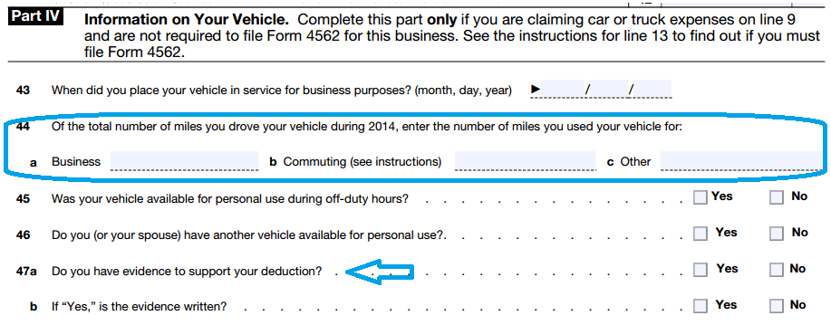
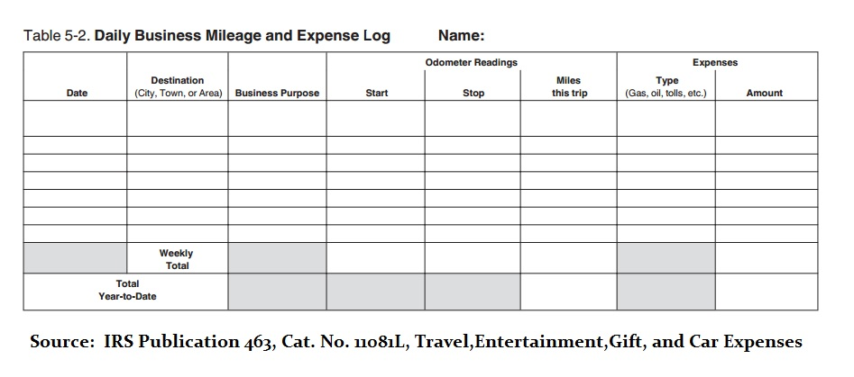
Odometer Reading
Date | 2017 | 2018
2016-01-01 | 0
2016-02-01
2016-03-01
2016-04-01
2016-05-01
2016-06-01
2016-07-01
2016-08-01
The IRS requires a "daily, contemporaeous mileage log" regardless of the mileage deduction method you use (Standard vs. Actual).
Take a look at the table below (Table 5-2) for an example of what is required by the IRS.
IRS Publication 463
Cat. No. 11081L
Travel, Entertainment, Gift, and Car Expenses
CLICK HERE
2016-09-01
2016-10-01
2016-11-01
2016-12-01
Total MILEAGE | 0 | 0

Schedule C (excerpt)

